Sheet1
The whitered Leaves Tea and spices Company
 | Tea

 |  |  |  |  |  |  |  |  |  |  | cash
 |  |  |  |  |  |  |  |  |  | date | start | sales amount | close | bank deposit
 |  |  |  |  |  |  |  |  |  | 2015-01-01 | 41796 | 2200 | 43996
 |  |  |  |  |  |  |  |  |  | 2015-01-02 | 43996 | 12986 | 56982 | 40000
 | Tea | No |  | Weight | Cost Price LKR | Retail Price | Quantity | Sold |  | 2015-01-03 | 16982 | 16040 | 33022
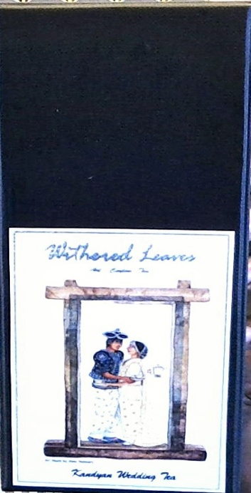
 |  |  | Scented teas in Canister and Gift Box |  |  |  |  |  |  | 2015-01-04 | 36572 | 13000 | 49572
 |  |  | Earl Grey white |  |  |  |  | 1
 | Collection 1 | 1 | Deep South tea |  |  | Rs.1900 |  | 1 |  | 2015-01-05 | 49572 | 1480 | 51052
 |  | 2 | King Kashyapa tea |  |  | Rs.1900 | 2 |  |  | 2015-01-06 | 51052 | 4900 | 55952
 |  | 3 | Old Empire tea |  |  | Rs.1900 | 6 | 1 |  | 2015-01-07 | 55952 | 8800 | 64752
 |  | 4 | Maira Gona tea |  |  | Rs.1900 | 2 |  |  | 2015-01-08 | 64752 | 5400 | 70152
 |  | 5 | Morocan Trader tea |  |  | Rs.1900 | 2 |  |  | 2015-01-09 | 70152 | 5190 | 75942
 |  | 6 | Earl Grey Red |  |  | Rs.1900 | 1 | 2 |  | 2015-01-10 | 75942 | 2000 | 77942
 |  | 7 | Kandyan Wedding tea |  |  | Rs.1900 | 2 | 1 |  | 2015-01-11 | 77942 | 0 | 77942
 |  | 8 | Raja tea |  |  | Rs.1900 | 1 | 3 |  | 2015-01-12 | 77942 | 24750 | 37722 | 65000
 |  | 9 | Five O' Clock tea |  |  | Rs.1900 | 2 | 1 |  | 2015-01-13 | 37722 | 10150 | 47872
 |  | 10 | Kandy Breakfast tea |  |  | Rs.1900 | 1 | 1 |  | 2015-01-14 | 47872 | 0 | 47872
 |  | 11 | James Taylor tea |  |  | Rs.1900 | 2 | 2 |  | 2015-01-15 | 47872 | 12100 | 59962
 |  | 12 | Ratnapura Classic tea |  |  | Rs.1900 | 1 |  |  | 2015-01-16 | 59962 | 1500 | 61462
 |  | 13 | Full Moon tea |  |  | Rs.1900 | 1 |  |  | 2015-01-17 | 61462 | 18890 | 78352
 |  |  | J

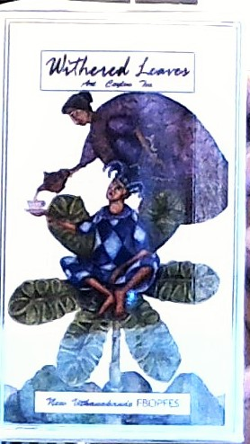
 |  |  |  |  |  |  |  |  |  | 2015-01-18 | 78352 | 7000 | 84452
 |  |  | World Finest Tea |  |  |  |  |  |  | 2015-01-19 | 84452 | 1395 | 85852
 | Collection 2 | 1 | Dragon Well | 25g |  | Rs.3300 | 18 |  |  | 2015-01-20 | 85852 | 0 | 85852
 |  | 2 | Margaret Hope | 40g |  | Rs.2700 | 11 | 2 |  | 2015-01-21 | 85852 | 2895 | 88747 | 70000
 |  | 3 | New Withanakande |  |  | Rs.2400 | 25 | 1 |  | 2015-01-22 | 18752 | 5590 | 24352
 |  | 4 | Lovers Leap |  |  | Rs.2100 | 7 | 1 |  | 2015-01-23 | 24352 | 5300 | 29652
 |  | 5 | White tea Silver Tips |  |  | Rs.3300 | 44 | 6 | 3
 |  |  |  |  |  |  |  |  |  | 2015-01-24 | 29652
 |  |  | Scented Tea |  |  |  |  |  |  | 2015-01-25 | 29652 | 1000 | 30652
 | Collection 3 | 1 | James Taylor tea | 80g |  | Rs.900 | 32 | 7 |  | 2015-01-26 | 30652 | 0 | 30652
 |  | 2 | Deap South tea | 80g |  | Rs.900 | 32 | 1 | 6 | 2015-01-27 | 30652 | 8000 | 38652
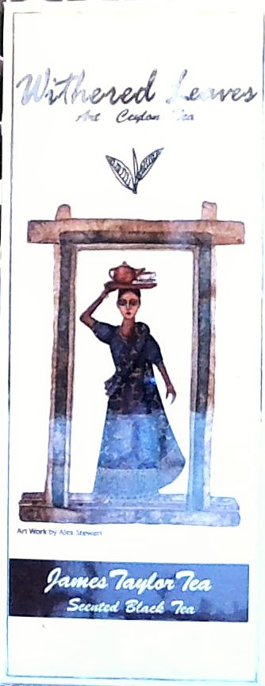
 |  | 3 | Old Empire tea | 80g |  | Rs.900 | 28 | 1 | 4 | 2015-01-28 | 38652 | 0 | 38709
 |  | 4 | White Van tea | 80g |  | Rs.900 | 31 | 3 |  | 2015-01-29 | 38709 | 1000 | 39709
 |  | 5 | Earl Grey Red | 80g |  | Rs.900 | 26 | 7 |  | 2017-01-30 | 39709 | 5730 | 45439 | 30000 | Change needed 9/02/2015
 |  | 6 | Full Moon Tea | 80g |  | Rs.900 | 20 | 4 |  | 2015-01-31 | 15934 | 12845 | 28779 |  | 500 | 100 | 50 | 20 | 10
 |  | 7 | Garayak tea | 80g |  | Rs.900 | 18 | 3 |  |  |  |  |  |  | 5000 | 5000 | 5000 | 2000 | 1000
 |  | 8 | Walking to Badulla tea | 80g |  | Rs.900 | 41 | 7 |  | 2015-02-01 | 28779 | 0 | 28779
 |  | 9 | Kandyan wedding tea | 80g |  | Rs.900 | 28 | 3 |  | 2015-02-02 | 28779 | 0 | 33452
 |  | 10 | Cape of Good Hope | 80g |  | Rs.900 | 26 | 4 | 2 | 2015-02-03 | 33452 | 4130 | 37582
 |  | 11 | Maira Gona Tea | 80g |  | Rs.900 | 32 |  |  | 2015-02-04 | 37582 | 15040 | 52832
 |  | 12 | King Kashyapa Tea | 80g |  | Rs.900 | 38 | 2 | 6 | 2015-02-05 | 52832 | 11250 | 64082
 |  | 13 | Earl Grey Blue tea | 80g |  | Rs.900 | 64 | 9 | 3 | 2015-02-06 | 64082 | 22240 | 86322 | 7520
 |  | 14 | Kandy Breakfast tea | 80g |  | Rs.900 | 26 | 8 | 0 | 2015-02-07 | 78802 | 40969 | 114432 | 5378 for the fire guys
 |  | 15 | Raja tea | 80g |  | Rs.900 | 34 | 6 |  | 2015-02-08 | 114432 | 5650 | 41082 | 79000
 |  | 16 | Silver Jasmine tea | 80g |  | Rs.900 | 43 | 17 | 4 | 2015-02-09 | 41082 | 2910 | 43992
 |  | 17 | Riti panna tea | 80g |  | Rs.900 | 21 | 3 | 2 | 2015-02-10 | 43992 | 6345 | 50337
 |  | 18 | Five O' Clock tea | 80g |  | Rs.900 | 27 | 1 |  | 2015-02-11 | 50337 | 4700 | 55037
 |  | 19 | Magic Morning tea | 80g |  | Rs.900 | 5 |  |  | 2015-02-12 | 55037 | 10920 | 65651
 |  | 20 | Ruhuna Height tea | 80g |  | Rs.900 | 13 |  |  | 2015-02-13 | 65651 | 36590 | 92940 | 61600($120)
 |  | 21 | Earl Grey White | 80g |  | Rs.900 | 30 | 6 |  | 2015-02-14 | 31340 | 3100 | 34440
 |  | 22 | Morocan Trader | 80g |  | Rs.900 | 29 | 7 | 4 | 2015-02-15 | 34440 | 6895 | 41335
 |  | 23 | Ratnapua Classic | 80g |  | Rs.900 | 15 | 5 | 2 | 2015-02-16 | 41335 | 3000 | 49595
 |  | 24 | Journeys of sheng he | 80g |  | Rs.900 | 20 | 3 | 4 | 2015-02-17 | 49595 | 37845 | 88351
 |  |  |  |  |  |  |  |  |  | 2015-02-18 | 88351 | 7800 | 96331
 |  |  | Special teas in Pyramid tea Bags |  |  |  |  |  |  | 2015-02-19 | 96331 | 16235 | 111566
 | Collection 4 | 1 | James Taylor tea |  |  | Rs.495 | 27 | 20 |  | 2015-02-20 | 111566 | 24600 | 28666 | 100000+50 euro
 |  | 2 | Deap South tea |  |  | Rs.495 | 25 | 4 | 11 | 2015-02-21 | 28666 | 21095 | 49761
 |  | 3 | Old Empire tea |  |  | Rs.495 | 37 | 2 | 13 | 2015-02-22 | 49761 | 9530 | 53476
 |  | 4 | White Van tea |  |  | Rs.495 | 59 | 2 | 15 | 2015-02-23 | 53476 | 30595 | 89926
 |  | 5 | Earl Grey Red |  |  | Rs.495 | 23 | 16 |  | 2105-02-24 | 89926 | 8295 | 98221
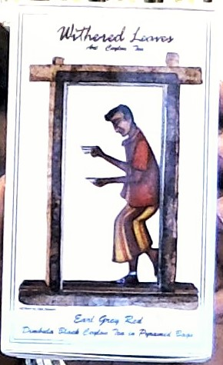
 |  | 6 | Full Moon Tea |  |  | Rs.495 | 37 | 8 | 10 | 2015-02-25 | 98221 | 17360 | 115596
 |  | 7 | Garayak tea |  |  | Rs.495 | 29 | 6 | 7 | 2015-02-26 | 115596 | 4745 | 120646
 |  | 8 | Walking to Badulla tea |  |  | Rs.495 | 49 | 8 | 14 | 2015-02-27 | 120646 | 12960 | 133906 | 80000 +$271(35230)
 |  | 9 | Kandyan wedding tea |  |  | Rs.495 | 30 | 9 | 7 | 2015-02-28 | 19376 | 17165 | 36541
 |  | 10 | Cape of Good Hope |  |  | Rs.495 | 32 | 7 | 1
 |  | 11 | Maira Gona Tea |  |  | Rs.495 | 36 | 4 | 1 | 2015-03-01 | 36541 | 37495 | 74036
 |  | 12 | King Kashyapa Tea |  |  | Rs.495 | 17 | 5 |  | 2015-03-02 | 74036 | 7700 | 81736
 |  | 13 | Earl Grey Blue tea |  |  | Rs.495 | 31 | 9 | 6 | 2015-03-03 | 81736 | 6495 | 88231
 |  | 14 | Kandy Breakfast tea |  |  | Rs.495 | 35 | 8 |  | 2015-03-04 | 88231 | 7350 | 95581
 |  | 15 | Raja tea |  |  | Rs.495 | 10 | 9 |  | 2015-03-04 | 95581 | 5885 | 101216 | 90000
 |  | 16 | Silver Jasmine tea |  |  | Rs.495 |  |  |  | 2015-03-06 | 11216 | 10140 | 21356
 |  | 17 | Riti panna tea |  |  | Rs.495 | 6 | 2 |  | 2015-03-07 | 21356 | 17480 | 38836
 |  | 18 | Five O' Clock tea |  |  | Rs.495 | 39 | 11 | 6
 |  | 19 | Magic Morning tea |  |  | Rs.495 | 37 | 5 | 4
 |  | 20 | Ruhuna Height tea |  |  | Rs.495 | 11 | 3
 |  | 21 | Earl Grey White |  |  | Rs.495 | 27 | 8 | 6
 |  | 22 | Morocan Trader |  |  | Rs.495 | 14 | 5
 |  | 23 | Ratnapua Classic |  |  | Rs.495 | 31 | 15 | 7
 |  | 24 | Journeys of sheng he |  |  | Rs.495 | 23 | 4
 |  | 25 | Garden of Haggala |  |  | Rs.495 | 8 | 3

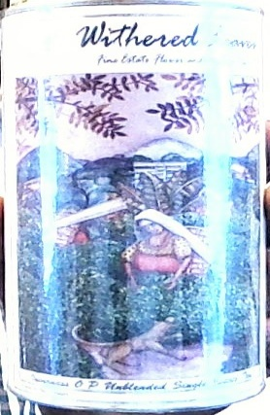
 |  |  | Famous Ceylon Single Estate tea
 | Collecton 5 | 1 | Uva Highlands |  |  | Rs.1000 | 64 | 35
 |  | 2 | Blairlomond |  |  | Rs.1000 | 91 | 8 | 5
 |  | 3 | Sarnia Plaiderie |  |  | Rs.1000 | 63 | 25 | 8
 |  | 4 | Kenil Worth |  |  | Rs.1000 | 84 | 6 | 8
 |  | 5 | Aislaly Pekoe |  |  | Rs.1000 | 61 | 8 | 8
 |  | 6 | St. James |  |  | Rs.1000 | 73 | 14 | 5
 |  | 7 | Inverness |  |  | Rs.1000 | 39 | 18
 |  | 8 | Lovers Leap |  |  | Rs.1000 | 39 | 18 | 3

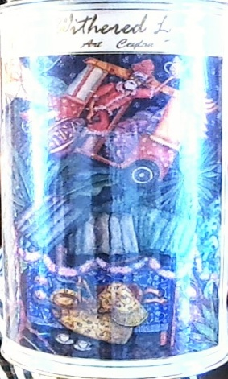
 |  |  | Christmas tea |  |  |  |  |  |  | 2015-03-27 |  |  |  | 67000
 | Collection 6 |  | Christmas tea |  |  |  | 96 | 48

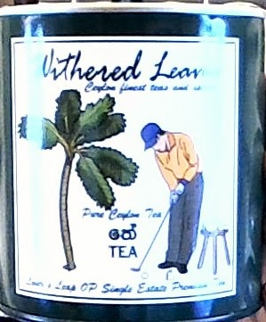
 |  |  | Golf tea
 | Collection 7 | 1 | Lover's leap | 50g |  | Rs.500 | 110 | 13

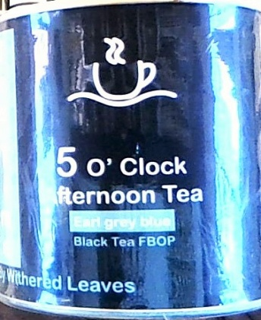

 | Collection 8 | 1 | 8 O' clock St. James |  |  | Rs.250 | 34 | 8
 |  | 2 | 11 O' clock Lovers Leap |  |  | Rs250 | 31 | 5
 |  | 3 | 12 O' Clock Blirlamond |  |  | Rs.250 | 30 | 10 | 1
 |  | 4 | 5 O' Clock Earl Grey Blue |  |  | Rs.250 | 22 | 15
 |  | 5 | 6 O' Clock Kenilworth |  |  | Rs.250 | 26 | 15

 |  |  | Somer state
 | Collection 9 |  |  | 350g |  | Rs.250 |  | 29

 |  |  | Scented teas in Aluminium canisters

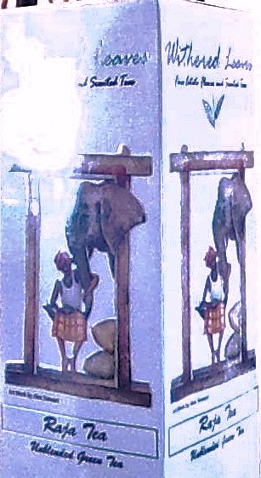
 | Collection 10 | 1 | Old Empire | 100g |  | Rs.1500 | 1
 |  | 2 | James Taylor | 100g |  | Rs.1500 | 4 | 1
 |  | 3 | Ruhuna height tea | 100g |  | Rs.1500 | 1
 |  | 4 | Kandy Breakfast tea | 100g |  | Rs.1500 | 1
 |  | 5 | Five O clock | 100g |  | Rs.1500 | 3 | 1
 |  | 6 | Journeys of sheng he | 100g |  | Rs.1500 | 7
 |  | 7 | Garayak tea | 100g |  | Rs.1500 | 4
 |  | 8 | Walking to badulla | 100g |  | Rs.1500 | 1
 |  | 9 | Cape of good hope | 100g |  | Rs.1500 | 5
 |  | 10 | King kashyapa | 100g |  | Rs.1500 | 3 | 1
 |  | 11 | Full moon tea | 100g |  | Rs.1500 | 2 | 1
 |  | 12 | Morocan trader | 100g |  | Rs.1500 | 6 | 3
 |  | 13 | Riti panna | 100g |  | Rs.1500 | 3 | 1
 |  | 14 | Gardens of haggala | 100g |  | Rs.1500 | 2 | 1
 |  | 15 | Raja tea | 100g |  | Rs.1500 | 3 | 1
 |  | 16 | Magic morning tea | 100g |  | Rs.1500 | 4
 |  | 17 | Deep south |  |  |  | 6
 |  | 18 | Earl grey red |  |  |  | 1 | 1

 |  |  | Westorn BOP |  |  | Rs. 750 | 44 | 9

 |  |  | Rare teas |  | 50G | 100g
 |  | 1 | Red Rhyme | 100g | 1250 | Rs/2500
 |  | 2 | Dragon well | 100g | 2000 | Rs/4000
 |  | 3 | High mountain Ollong | 100g | 1500 | Rs/3000
 |  | 4 | Satemwa White Tea | 100g | 2000 | Rs/4000
 |  | 4 | Kumeen Black tea | 100g | 1250 | Rs/2500
 |  | 5 | Kao Shan Thailand tea | 100g | 1000 | Rs/2000
 |  | 6 | Mountain Mist yellow | 100g | 2500 | Rs/5000
 |  | 7 | Margaret Hope Darjeeling | 100g | 1250 | Rs/2500
 |  | 8 | Big Red Robe | 100G | 1250 | Rs/2500
 |  | 9 | Silver tips | 100g | 1950 | Rs/2900 |  | 4
 |  | 10 | Lumbini | 100g | 450 | Rs/900
 |  | 11 | New vithanakande | 100g | 450 | Rs/900 |  | 3

 |  |  | Loose teas
 |  | 1 | Golden Monkey | 100g |  | Rs/1400
 |  | 2 | Handunugoda Oolong | 100g |  | Rs/ 900 | 6 | 1
 |  | 3 | St James FBOP | 100g |  | Rs/ 450 | 14 | 9
 |  | 4 | Kenilworth Op1 | 80 g |  | Rs/ 400 | 9 | 16
 |  | 5 | Inverness OP | 80 g |  | Rs/400 | 6 | 19
 |  |  | Somerset DT1 | 250g |  | Rs/250 | 1 | 6
 |  | 6 | Somerset DT1 | 100g |  | Rs/150 |  | 54
 |  | 7 | Court Loge pekoe 1 | 100g |  | Rs/600 | 6 | 7
 |  | 8 | St James Pokoe 1 | 100g |  | Rs/500 | 4 | 4
 |  | 9 | Sarnia Green | 100g |  | Rs/600 | 7 | 7
 |  | 10 | Uva Higlands FBOP | 100g |  | Rs/450 | 5 | 2
 |  | 11 | Bogalantalawa BOPF | 100g |  | Rs/250 | 2
 |  | 12 | High Forest bop | 100g |  | Rs/300
 |  | 13 | Lovers Leap OP | 80g |  | Rs/400 | 6 | 5
 |  | 14 | Blairlomond BOP | 100g |  | Rs/350 |  | 2
 |  | 15 | Strathdom | 100g |  | Rs/300
 |  | 16 | Somerset BOP | 100g |  | Rs/400
 |  | 17 | Ashlaby | 100g |  | Rs/450
 |  | 18 | Ear Grey Blue | 100g |  | Rs/900
 |  | 19 | court lodge FBOP | 100g |  | Rs/600 |  | 9

 |  |  | Alluminium long canisters |  |  | Rs/350 |  | 10
 |  |  | canisters green gold aluminum |  |  | Rs/350 |  | 9

 |  |  | Fine teas in gift boxes
 |  | 1 | Margret hope,lovers leap,white tea |  |  | Rs/8800 |  | 1
 |  | 2 | two Estates teas in Blue foldable box |  |  | Rs/1250 | 29
 |  | 3 | Silver and gloden tea chests |  |  | Rs/4000

 |  |  | wooden boxes with embroidery | Rs/2500 with 2 empty canisters. Tea extra |  |  |  | 1

 |  |  | Herbal Teas
 |  |  | Belimal | 100g |  | Rs/800
 |  |  | Gotukolla | 100g |  | Rs/800
 |  |  | Ranawara | 100g |  | Rs/800
 |  |  | Cornflower petals | 100g |  | Rs/2900

 |  |  | Inverness 180 g |  |  | 900 |  | 3

